YOY RevPAR% Change
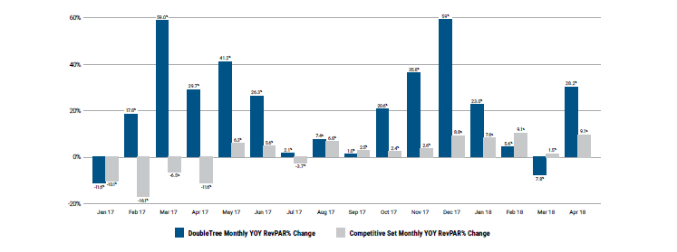
Source:

Competitive Set Performance
Statistic | 2012 | 2013 | 2014 | 2015 | 2016 | 2017 | April 2018 T-12

DoubleTree Occupancy | 64.4% | 64.9% | 66.6% | 70.9% | 56.9% | 68.2% | 70.3%
Competitive Set Occupancy | 58.2% | 66.9% | 71.5% | 71.7% | 70.8% | 69.2% | 70.6%
Occupancy Index | 110.7% | 97.0% | 93.1% | 98.9% | 80.4% | 98.6% | 99.6%

DoubleTree ADR | $98.29 | $103.37 | $105.44 | $107.61 | $113.41 | $112.80 | $112.56
Competitive Set ADR | $89.31 | $92.80 | $99.67 | $108.36 | $113.69 | $115.79 | $115.34
ADR Index | 110.1% | 111.4% | 105.8% | 99.3% | 99.8% | 97.4% | 97.6%

Double Tree RevPAR | $63.31 | $67.06 | $70.22 | $76.24 | $64.52 | $76.90 | $79.09
Competitive Set RevPAR | $51.95 | $62.06 | $71.30 | $77.67 | $80.46 | $80.12 | $81.39
RevPAR Index | 121.9% | 108.1% | 98.5% | 98.2% | 80.2% | 96.0% | 97.2%

 |  | 6% | 5% | 9% | -15% | 19% | 3%
 |  | 19% | 15% | 9% | 4% | 0% | 2%

